Sheet1
 | Spotify | Apple Music | Amazon music | YouTube music | Tidal
Users | 551 milion | 88 milion | 80 milion | 50 milion | 7 milion

Target Audience | Spotify's target audience includes music enthusiasts of all ages, especially Millennials and Gen Z, who prefer digital music streaming on mobile devices, have diverse musical tastes, and may also be interested in podcasts | Apple Music's target audience includes a broad range of music lovers, Apple device users, and individuals interested in a seamless integration with the Apple ecosystem. | Amazon Music's target audience includes music enthusiasts, streaming subscribers, and Amazon Prime members looking for a diverse catalog of songs, playlists, and personalized music recommendations. | YouTube Music's target audience is music enthusiasts of all ages who enjoy streaming and discovering a wide range of music genres, artists, and music-related content online. | Tidal's target audience is music enthusiasts and audiophiles who prioritize high-quality audio streaming and exclusive content.
Free service | Yes | No | Yes | Yes | No

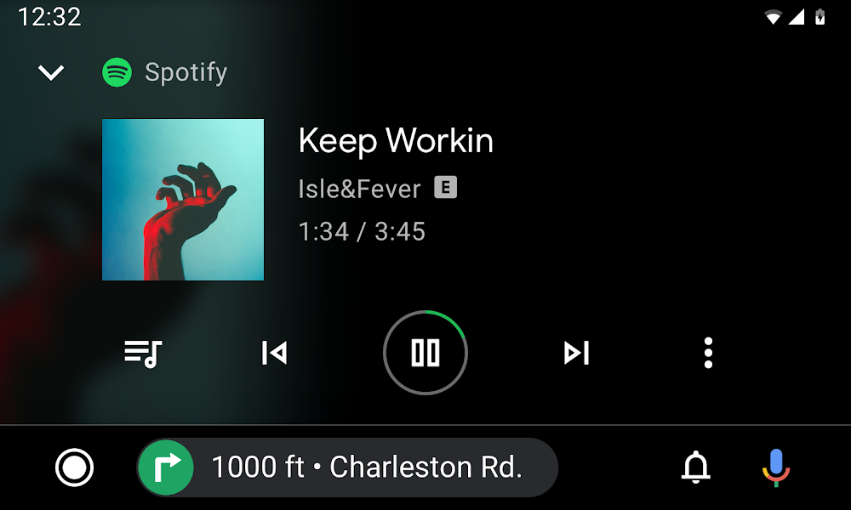
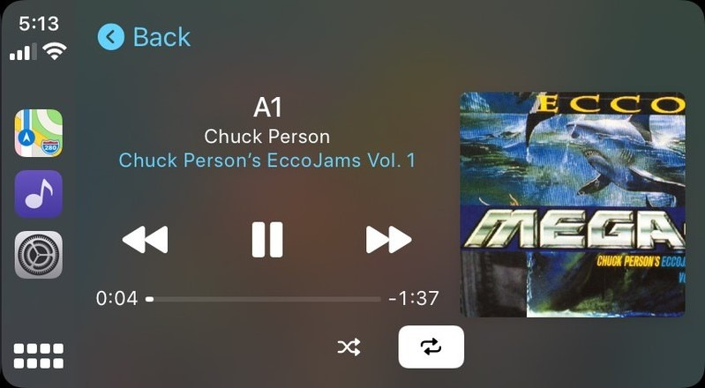
Subscription cost | $10.99 | $9.99 | $9.99 | $10.99 | $9.99

Available on | Android, IOS | IOS | Android, IOS | Android, IOS | Android, IOS

Voice assistant | Google | Apple Siri | Alexa, Google(?) | Google, Apple Siri | Google

Main selling point | music and podcasts | Apple users Audio app hi res audio | music and podcasts | All the music with videos | HiFi Audio

Integration | Google Home, Waze, Google maps, android wear, garmin wear | Waze | amazon alexa | google voice assistant | Google assistant, Android wear, Garmin

UI complexity | Not complex | A little bit complex | A little bit complex | Not complex | A little complex but easily gets used to

Offline mode | Yes | Yes | Yes | Yes | Yes

Max Audio Quality (higher is better) | 320kbps | 2304kbps | 320kbps | 256kbps | 5000+kbps
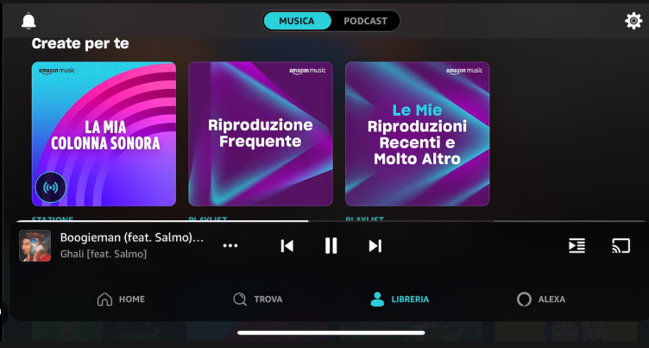
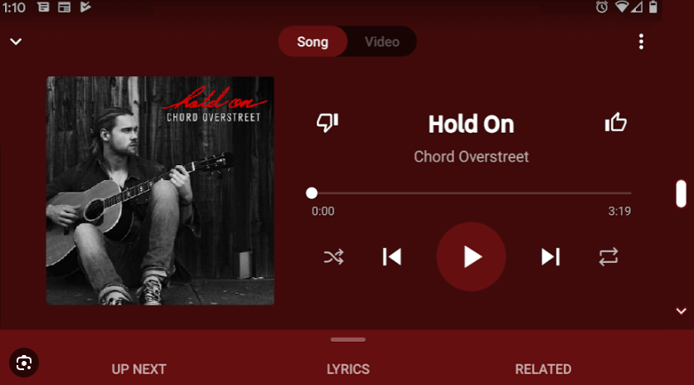
Video support | Yes | No | No | Yes | Yes

Family plans | Yes | Yes | Yes | Yes | Yes

Family plans | Yes | Yes | Yes | Yes | Yes

Free trial period | Yes | Yes | Yes | Yes | Yes

Trial period | 90 Days | 90 Days | 30 Days | 30 Days | 30 Days

Landscape car mode | Yes | Yes | Yes | Yes | No

Podcasts | Yes | Yes | Yes | Yes | Yes

Lyrics display | Yes | Yes | Yes | Yes | Yes

Equalizer | Yes | Yes | Yes | No | Yes

Wakelocks | Yes | No | No | Yes | No

Colorblind mode | No | No | No | No | No

Voice control | Yes | Subscription | Yes | Yes | No

Voice control by default | No | Subscription | No | Yes | No

Customizable text | No | No | No | No | No

TTS | Yes | Yes | No | Offers third party services | Unknown

Equalizer | Yes | Yes | No | Yes | Yes

Alternative text for image

Gestures support | No | No | No | Android only | Removed

Gesture customization | No | No | No | No | No

